Treatments
2024 Maximizing Feed Barley Yield While Minimizing Lodging (2022F028R)

Locations: | Vermillion (LC), Falher (SARDA), Lethbridge irrigated (FS) |  |  | Deadlines
Years: | 2022-2024 |  |  | Planting | If there is a delay please contact trial coordinator
Design: | Split plot. Main plot = cultivar (3); Subplot = PGR treatment (9) |  |  | Samples sent to Lori Oatway | See Protocol for address
Replicates: | 4 |  |  | Field books submitted
Treatments | 27

Note: at GS 21-24 and GS 37 PGR application timings, these are tank-mixed with a supplied herbicide (Axial iPak Xtreme @ GS 21-24) and fungicide (Miravis Neo @ GS 37). The treatments that do not receive a PGR during these application timings MUST receive the supplied herbicide (GS 21-24) and fungicide (GS 37) on the same date. Please see protocol

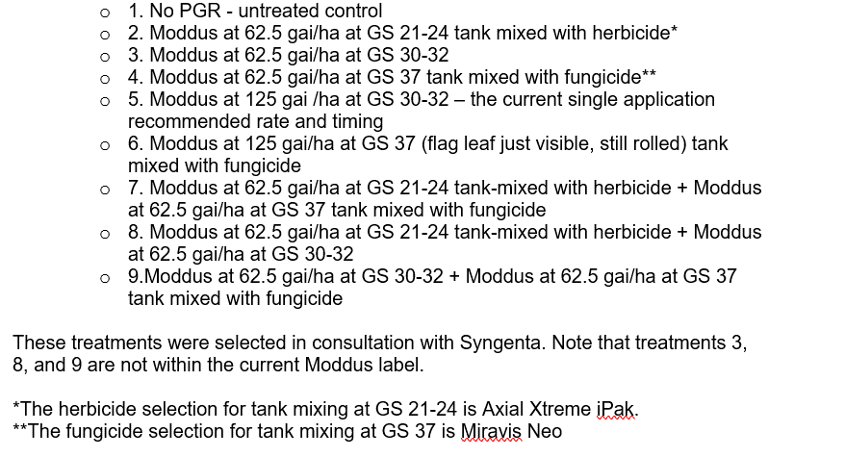
Overall Trt # | Cultivar | PGR trt # | PGR Trt Name | PGR treatment descriptions
1 | CDC_Austenson | 1 | No_PGR
2 | CDC_Austenson | 2 | M62.5_21-24
3 | CDC_Austenson | 3 | M62.5_30-32
4 | CDC_Austenson | 4 | M62.5_37
5 | CDC_Austenson | 5 | M125_30-32
6 | CDC_Austenson | 6 | M125_37
7 | CDC_Austenson | 7 | M62.5_21-24 + M62.5_37
8 | CDC_Austenson | 8 | M62.5_21-24 + M62.5_30-32
9 | CDC_Austenson | 9 | M62.5_30-32 + M62.5_37
10 | AB Hague | 1 | No_PGR
11 | AB Hague | 2 | M62.5_21-24
12 | AB Hague | 3 | M62.5_30-32
13 | AB Hague | 4 | M62.5_37
14 | AB Hague | 5 | M125_30-32
15 | AB Hague | 6 | M125_37
16 | AB Hague | 7 | M62.5_21-24 + M62.5_37 | Sub-plot treatments that do not require Moddus at either GS 21-24 or GS 37 (ie sub-plot treatments 1,2,3,4,5,6, 8, and 9) will receive the same herbicide (Axial Xtreme iPak) and/or fungicide (Miravis Neo) application as other plots on the respective application day in order to eliminate any confounding effects.
17 | AB Hague | 8 | M62.5_21-24 + M62.5_30-32
18 | AB Hague | 9 | M62.5_30-32 + M62.5_37
19 | Esma | 1 | No_PGR
20 | Esma | 2 | M62.5_21-24
21 | Esma | 3 | M62.5_30-32
22 | Esma | 4 | M62.5_37
23 | Esma | 5 | M125_30-32
24 | Esma | 6 | M125_37
25 | Esma | 7 | M62.5_21-24 + M62.5_37
26 | Esma | 8 | M62.5_21-24 + M62.5_30-32
27 | Esma | 9 | M62.5_30-32 + M62.5_37

BBCH staging guide
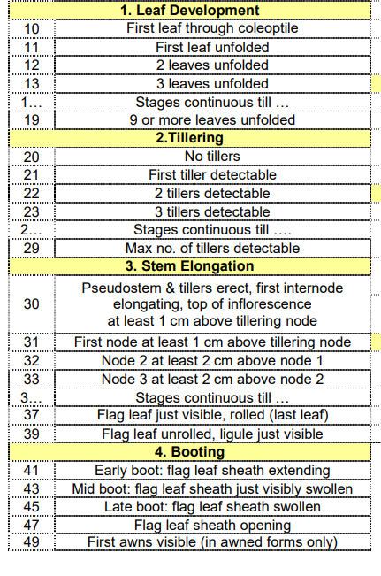

Maintenance herbicide application timing at standard (~3 leaf stage). Product choice up to the individual site according to weed spectrum

BBCH 21= first tiller detectable (first PGR application timing- tank mixed with the Axial Xtreme iPak herbicide)

BBCH 30-32= stem elongation (2nd PGR application timing)

BBCH 37= 3rd PGR application timing (tank-mixed with Miravis Neo fungicide)

Maintenance fungicide application (Prosaro) when

"For suppression of Fusarium Head Blight, apply PROSARO XTR Fungicide as a preventative spray within the time period from when at least 75% of the wheat heads on the main stem are fully emerged to when 50% of the heads on the main stem are in flower."

